Cover
Real Property Management
Service Measures Workbook
Version 1.3
January 31, 2023

Version | Date | Change Description | Author of Change
1.0 | 2021-09-14 | Initial draft version. | MITRE
1.1 | 2022-02-14 | Additional service measures identified based on review of authoritative sources and activity descriptions | MITRE
1.2 | 2022-02-28 | Version for RPM Working Group Review and Feedback | MITRE
1.3 | 2023-01-31 | Version for BSC and public review and feedback | GSA

Service Delivery Layers
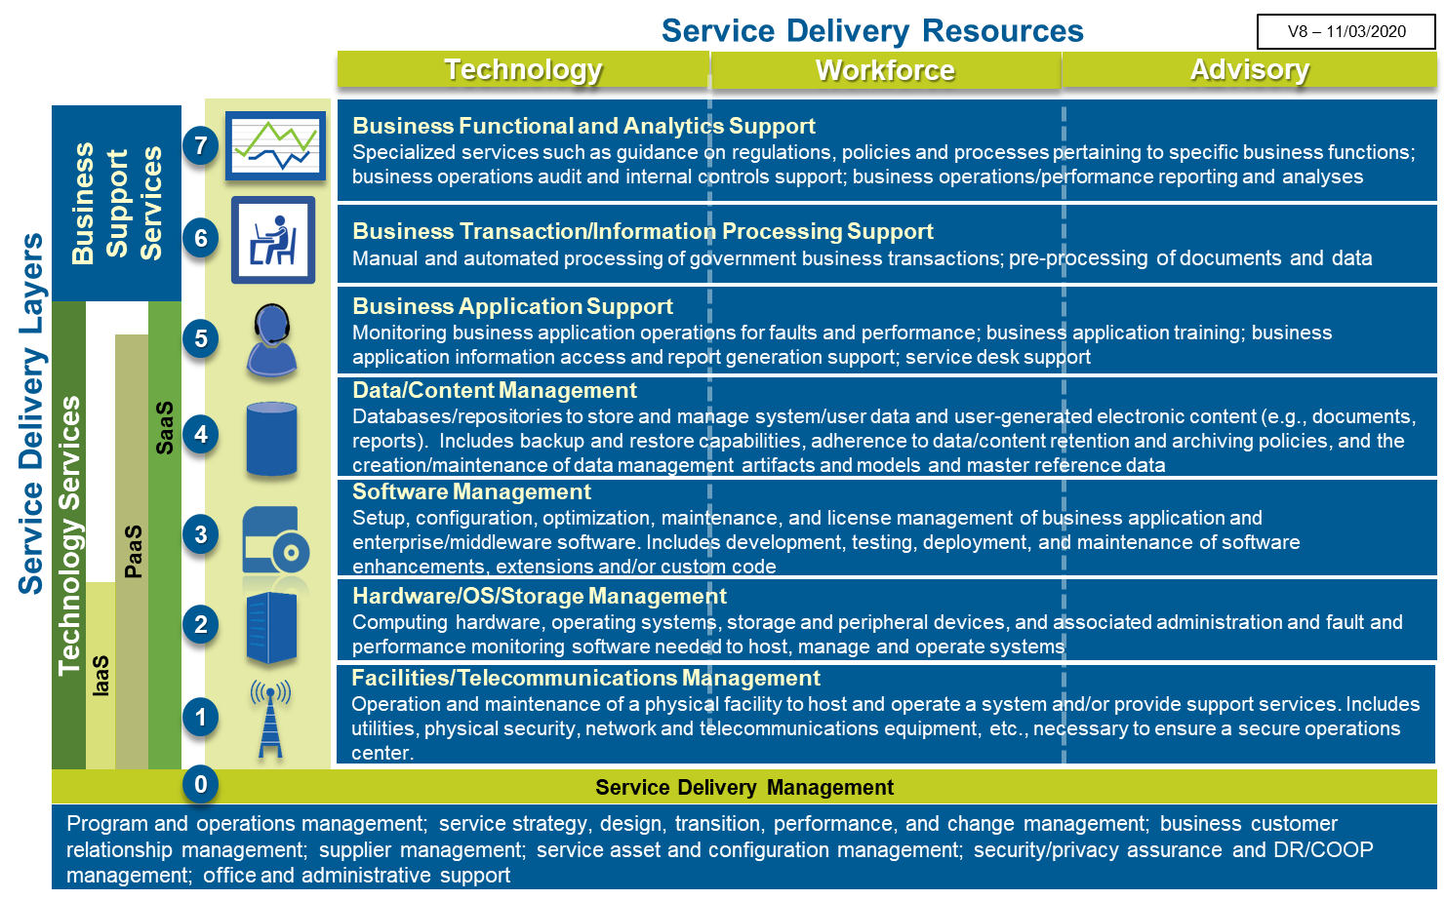

TBM Towers-SubTowers
The high-level list and description of the commercial TBM Taxonomy Towers/Sub-Towers (https://higherlogicdownload.s3.amazonaws.com/TBMCOUNCIL/c15d372f-9951-46c8-9c3f-213c696401b6/UploadedImages/TBM_Taxonomy_V4_0.pdf) has been augmented with Federal government-defined extensions and clarifications to fully account for other anticipated service delivery components and costs not explicitly addressed in the commercial TBM Tower/Sub-Tower Descriptions.

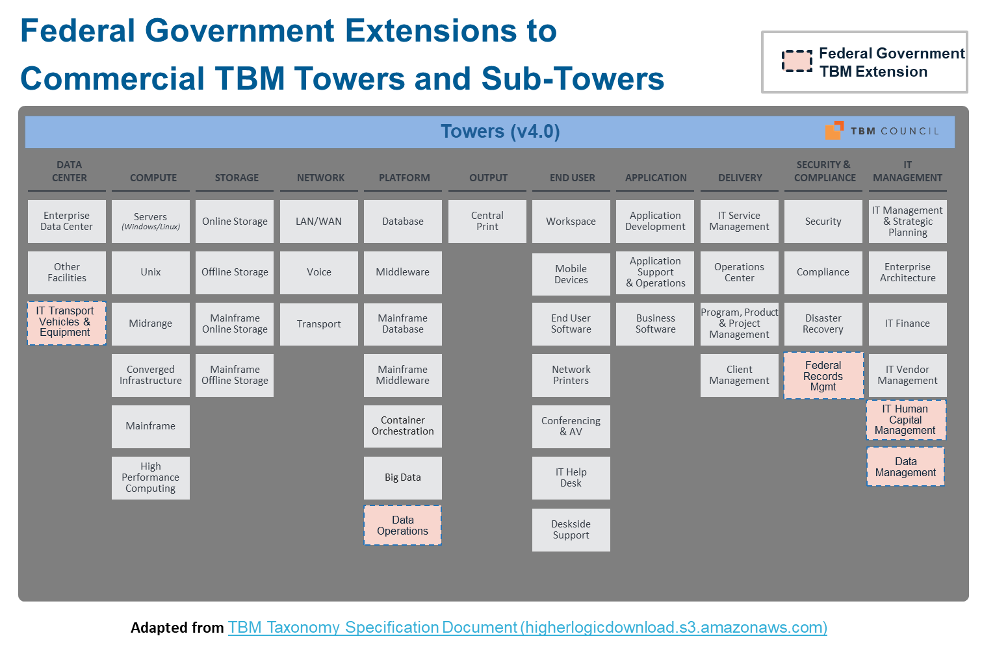
Light Blue = Commercial TBM v4 |  | Gold = Federal government extension to commercial TBM Taxonomy or addition for Enterprise Business Management (EBM) purposes [xxx] = Federal government clarification to commercial TBM Taxonomy Description
Tower ID | Tower Name | Sub-Tower ID | Tower/Sub-Tower Name | Tower/Sub-Tower Description
0.1 | IT Management |  |  | The IT Management tower includes the costs to manage, administer & plan IT for the enterprise. It includes executive management, strategic management, enterprise architecture, IT finance, and vendor management.
0.1 | IT Management | 0.1.1 | IT Management & Strategic Planning | IT management and administration resources; typically CIO, senior IT leaders and administrative support including centralized IT strategy and planning.
0.1 | IT Management | 0.1.2 | Enterprise Architecture | Enterprise architecture services including business, information, application and technical architecture to drive standardization, integration and efficiency among business technology solutions.
0.1 | IT Management | 0.1.3 | IT Finance | Resources involved in the planning, budgeting, spend management and chargeback of IT expenditures and the costing of IT products and services.
0.1 | IT Management | 0.1.4 | IT Vendor Management | Resources involved in the selection, contract management, oversight, performance management and general delivery of IT services by 3rd party vendors and external service providers.
0.1 | IT Management | 0.1.5 | IT Human Capital Management | Resources involved in the acquisition, development, performance management, compensation, and separation of IT personnel. Included are initial and periodic personnel background investigations and drug testing, as well as training on organizational policies and procedures.
0.1 | IT Management | 0.1.6 | Data Management | Resources involved in managing data and content across the enterprise, including Data Governance, Master Data Management, and Metadata Management. Includes establishing data/content management policies, standards, processes, and procedures and maintaining the enterprise information asset inventory and data set catalogue.
0.2 | Delivery |  |  | The delivery tower includes the costs to monitor, support, manage, and run IT operations for the enterprise and includes the IT Service Management (ITSM) functions.
0.2 | Delivery | 0.2.1 | IT Service Management | Resources involved with the incident, problem and change management activities as part of the IT Service Management process (excludes the Tier 1 help desk). [Federal Government Clarification: Includes resources involved with designing, monitoring, reporting, and improving services, and the associated development/maintenance of service catalogue, service measures, and service agreements.]
0.2 | Delivery | 0.2.2 | Operations Center | Centralized IT Operations Center resources including monitoring and intervention e.g., NOC (network operations center), GOC (global operations center).
0.2 | Delivery | 0.2.3 | IT Program, Product & Project Management | Resources involved with managing and supporting IT related projects and/or continuous product development (e.g. Agile) across business and IT-driven initiatives.
0.2 | Delivery | 0.2.4 | Client Management | Resources or “account managers” aligned with the lines of business to understand business needs, communicate IT products, services and status of IT projects.
0.3 | Security & Compliance |  |  | The Security & Compliance tower includes service costs related to IT security compliance and disaster recovery. The scope includes costs to define, establish, enforce, and measure security, compliance, and disaster recovery readiness for the enterprise.
0.3 | Security & Compliance | 0.3.1 | Security | IT Security resources setting policy, establishing process & means, measuring compliance and responding to security breaches and providing real-time operational security such as vulnerability scanning, managing firewalls, intrusion prevention systems, and security information and event management (SIEM). Optional Level 3 categories include: Cyber Security. The implementation actions defined by security policies (e.g. mitigating security breaches by applying patches) are not included in the Security sub-tower and are part of the respective towers where the actions take place (e.g. Compute, Storage, Network).
0.3 | Security & Compliance | 0.3.2 | Compliance | IT Compliance resources setting policy, establishing controls and measuring compliance to relevant legal and compliance requirements. Optional Level 3 categories include: Data Privacy. The implementation actions defined by Compliance policy (e.g. implementing controls like multi-factor authentication) are not included in the Compliance subtower and are part of the respective towers where the actions take place (e.g. Compute, Storage, Network, Application, End User).
0.3 | Security & Compliance | 0.3.3 | Disaster Recovery | IT Disaster Recovery resources setting DR policy, establishing process & means, dedicated failover facilities, performing DR testing. NOTE: DR designated equipment is included directly in its own sub-tower (e.g., extra servers for DR are included in Compute tower, etc.). The implementation actions defined by Disaster Recovery policy (e.g. building DR servers) are not included in the Disaster & Recovery sub-tower and are part of the respective towers where the actions take place (e.g. Compute, Storage, Network).
0.3 | Security & Compliance | 0.3.4 | Federal Records Mgmt | Resources establishing process, means and controls for ensuring compliance with the Federal Government's policies and procedures for creating, maintaining, and disposing of Federal electronic and digitized paper records.
1.1 | Data Center |  |  | Data Centers are purpose-built facilities to securely house computer equipment. Data Centers provide racks/cabinets & cabling, clean & redundant power, data connectivity, environmental controls including temperature, humidity and fire suppression, physical security and the people to run and operate the facility and its infrastructure.
1.1 | Data Center | 1.1.1 | Enterprise Data Center | Purpose-built data center facilities that house and protect critical IT equipment including the space, power, environment controls, racks, cabling and "smart hand" support.
1.1 | Data Center | 1.1.2 | Other IT Facilities | Computer rooms and MDF/IDF/telco closets that house IT equipment in corporate headquarters, call centers or other general purpose office buildings.
1.1 | Data Center | 1.1.3 | IT Transport Vehicles & Equipment | Vehicles and equipment for transport of IT personnel and assets.
1.2 | Network |  |  | Network includes the data and voice equipment along with the transport methods to connect systems and people and to enable people to converse. Networks provide core connectivity within the enterprise data centers as well as connectivity to and access within office building and remote locations.
1.2 | Network | 1.2.1 | LAN/WAN | Physical and wireless local area network connecting equipment within the core data centers and connecting end users in office working areas to the organization's broader networks. Wide area network equipment, labor and support services directly connecting data centers, offices and third parties (excludes telecom and communication services). Optional Level 3 categories include: LAN, WAN.
1.2 | Network | 1.2.2 | Voice | Voice resources which enable or distribute voice services through on premise equipment including PBX, VoIP, voicemail and handsets (excludes telecom and communication services).
1.2 | Network | 1.2.3 | Transport | Data network circuits and associated access facilities and services; includes dedicated and virtual data networks and internet access. Also includes usage associated with mobility and other data transit based on usage billing. Voice network circuits and associated access facilities and services. Also includes usage associated with standard telephone calls and 800 number service. Both voice and data transport may include terrestrial and non-terrestrial (e.g., satellite) technologies. Optional Level 3 categories include: Data, Voice.
2.1 | Compute |  |  | Compute refers to both general and special-purpose devices and software that are programmed to carry out a set of arithmetic or logical operations. In essence, it provides the “brains” to process application and user requests. Compute includes a wide range of physical and virtual servers differentiated by platform and operating system. The Compute tower should include all direct hardware, software, labor and outside service costs.
2.1 | Compute | 2.1.1 | Servers | Physical and virtual servers running a version of Microsoft's Windows Server or the Linux operating system; includes hardware, software, labor and support services. Optional Level 3 categories include: Windows, Linux and Public Cloud Compute.
2.1 | Compute | 2.1.2 | Unix | Servers running vendor-specific, proprietary Unix operating systems (e.g., IBM AIX, Sun Solaris, HP UX); includes hardware, software, labor and support services.
2.1 | Compute | 2.1.3 | Midrange | Servers running IBM AS/400 platform including hardware, software, labor and support services.
2.1 | Compute | 2.1.4 | Converged Infrastructure | Purpose-built appliances that provide compute, storage and network capabilities in one box.
2.1 | Compute | 2.1.5 | Mainframe | Traditional mainframe computers and operations running legacy operating systems.
2.1 | Compute | 2.1.6 | High Performance Computing | Purpose-built servers that use parallel processing and clustering for running advanced application programs and for solving complex computational problems efficiently, reliably and quickly.
2.2 | Storage |  |  | Storage provides centralized data storage and securely holds information and data to be retrieved later. Storage may hold data for application programs and code, databases, files, media, email and many other forms of information. The storage tower includes distributed and mainframe storage that provides on-line storage for real-time access and archival storage solutions that may enable near-term retrieval or long-term archival. The storage tower excludes the internal storage included with a typical server configuration or end-user device such as a laptop, desktop or mobile phone, or tablet.
2.2 | Storage | 2.2.1 | Online Storage | Central storage such as SAN, NAS and similar technologies for the distributed compute infrastructure; includes the equipment, software and labor to run and operate. Optional Level 3 categories include: On-Premise, Public Cloud Storage.
2.2 | Storage | 2.2.2 | Offline Storage | Offline storage resources used for archive, backup & recovery to support data loss, data corruption, disaster recovery and compliance requirements of the distributed storage.
2.2 | Storage | 2.2.3 | Mainframe Online Storage | Mainframe attached storage arrays and the associated equipment, software and labor to run and operate.
2.2 | Storage | 2.2.4 | Mainframe Offline Storage | Any storage resources used for archive, backup & recovery to support data loss, data corruption, disaster recovery and compliance requirements of the mainframe storage.
2.3 | Output |  |  | Output includes the central print services to provide high-volume printing of customer bills, checks, product documentation or other customer support materials. Output also includes additional post print processing support (e.g. fold, stuff, apply postage, bundle).
2.3 | Output | 2.3.1 | Central Print | Central print services; often provided to support customer billing or customer documentation support processes. Unit of measure: page.
2.4 | Platform |  |  | Platform includes all costs associated with distributed and mainframe databases and middleware systems. Costs include DBMS software and tools, labor and outside services.
2.4 | Platform | 2.4.1 | Database | Distributed database services focused on the physical database (versus the logical design) including DBAs, DBMS, tools and operational support.
2.4 | Platform | 2.4.2 | Middleware | Distributed platform, application and system integration resources enabling cross application development, communications and information sharing.
2.4 | Platform | 2.4.3 | Mainframe Database | Mainframe database services focused on the physical database (versus the logical design) including the DBAs, DBMS, tools and operational support. [Federal Government Clarification: Includes database schema implementation]
2.4 | Platform | 2.4.4 | Mainframe Middleware | Mainframe platform, application and system integration resources enabling cross application development, communications and information sharing.
2.4 | Platform | 2.4.5 | Container Orchestration | Tools and resources for managing the lifecycles of containers. Includes the control and automation of tasks such as provisioning and deployment of containers, maintaining availability, scaling up or removing containers to manage application loads, relocating containers, allocating resources for containers, and monitoring container and host health.
2.4 | Platform | 2.4.6 | Big Data | Systems and resources for integrating, managing and analyzing high volumes of low density, unstructured data that is received at high rates of velocity.
2.4 | Platform | 2.4.7 | Data Operations | Tools and resources supporting data/content operations across the enterprise, including Data Quality, Data Synchronization, Data Interoperability, Database Schema Design, and File Management. Also includes acquiring and managing subscriptions for data sources and the maintenance of reference, translation, and validation data used by multiple applications.
3.1 | Application |  |  | The Application tower includes costs related to applications in the enterprise. The scope includes the cost of business software and the costs to develop, manage and run applications for the enterprise.
3.1 | Application | 3.1.1 | Application Development | Resources involved with the analysis, design, development, code, test and release packaging services associated with application development projects. Optional Level 3 categories include: Development, and QA.
3.1 | Application | 3.1.2 | Application Support & Operations | The operations, support, fix and minor enhancements associated with existing applications. [Federal Government Clarification: Includes the resources involved with the analysis, design, development, and delivery of training on new/updated applications and software tools, as well as training of new users on existing applications and software tools.]
3.1 | Application | 3.1.3 | Business Software | Software expenditures including licensing, maintenance and support related to off-the-shelf software purchases.
4.1 | End User |  |  | End User includes end user computing devices and support for end users. The scope includes costs to build, manage and run end user computing devices for the enterprise and deliver centralized support to end users.
4.1 | End User | 4.1.1 | Workspace | Client compute physical desktops, portable laptops, thin client machines, peripherals (including monitors, pointer devices and attached personal printers) used by individuals to perform work.
4.1 | End User | 4.1.2 | Mobile Devices | Client compute tablets, smart phones (iOS, Android, Windows Mobile) and apps used by individuals to perform work.
4.1 | End User | 4.1.3 | End User Software | Client related software used to author, create, collaborate and share documents and other content. Examples include email, communications, messaging, word processing, spreadsheets, presentations, desktop publishing, graphics and others. Optional Level 3 categories include Productivity; Communications; Collaboration.
4.1 | End User | 4.1.4 | Network Printers | Printers located on or near users’ desktops. Examples include network connected personal printers, ink-jet printers, laser printers, departmental or copy-room printers. Only include network connected printers. Do not include printers connected to an end user computer.
4.1 | End User | 4.1.5 | Conferencing & AV | Audio and video conferencing equipment typically used in conference rooms and dedicated telepresence rooms to enable workforce communications.
4.1 | End User | 4.1.6 | IT Help Desk | Centralized Tier 1 help desk resources that handle user requests, answer questions and resolve issues.
4.1 | End User | 4.1.7 | Deskside Support | Local support resources that provide on-site support for moves, adds, changes and hands on issue resolution.
Business Resource Group ID | Business Resource Group Name | Business Resource ID | Business Resource Name | Business Resource Description
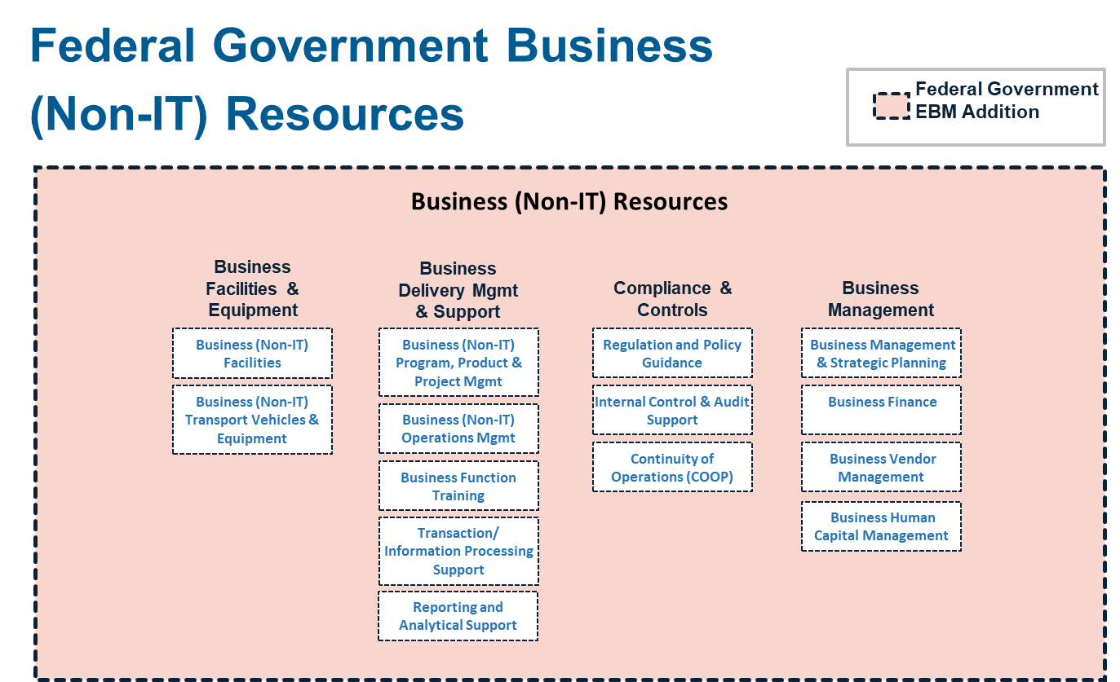
6.1 | Business Facilities & Equipment | 6.1.1 | Business (Non-IT) Facilities | Facilities that house business division management and operations.
6.1 | Business Facilities & Equipment | 6.1.2 | Business (Non-IT) Transport Vehicles & Equipment | Vehicles and equipment for transport of business division personnel and assets.
6.2 | Business Delivery Mgmt & Support | 6.2.1 | Business (Non-IT) Program, Product & Project Mgmt | Resources involved with managing and supporting business division programs, products/services, or projects.
6.4 | Business Delivery Mgmt & Support | 6.2.2 | Business (Non-IT) Operations Mgmt | Resources involved in the alignment of teams, identification of goals and objectives, execution of activities and initiatives, and improvement of processes in support of business division and mission products and services.
6.2 | Business Delivery Mgmt & Support | 6.2.3 | Business Function Training | The resources involved with the analysis, design, development, and delivery of training on specific business functions (e.g., financial management, grants management).
6.2 | Business Delivery Mgmt & Support | 6.2.4 | Transaction/Information Processing Support | Resources supporting the manual and semi-automated pre-processing or processing of business transactions, information, and documents, including scanning, data entry, tagging, categorizing, and enhancing with additional information.
6.2 | Business Delivery Mgmt & Support | 6.2.5 | Reporting and Analytical Support | Resources providing reporting and data analysis services for internal and external operations, financial, performance, and compliance reporting.
6.3 | Compliance & Controls | 6.3.1 | Regulation and Policy Guidance | Resources providing specialized knowledge such as guidance on regulations, policies and processes pertaining to specific business functions
6.3 | Compliance & Controls | 6.3.2 | Internal Control & Audit Support | Resources for assessing operational effectiveness and efficiency, quality, reliable reporting, and compliance with laws, regulations and policies.
6.3 | Compliance & Controls | 6.3.3 | Continuity of Operations (COOP) | Resources for ensuring the continuance of business operations until critical services or systems are restored.
6.4 | Business Management | 6.4.1 | Business Management & Strategic Planning | Business management and administration resources; typically CEO, CFO, CHCO, CAO, and other senior business division leaders and administrative support including centralized business strategy and planning.
6.4 | Business Management | 6.4.2 | Business Finance | Resources involved in the planning, budgeting, spend management and chargeback of business division expenditures and the costing of business division products and services.
6.4 | Business Management | 6.4.3 | Business Vendor Management | Resources involved in the selection, contract management, oversight, performance management and general delivery of business services by 3rd party vendors and external service providers.
6.4 | Business Management | 6.4.4 | Business Human Capital Management | Resources involved in the acquisition, development, performance management, compensation, and separation of business division personnel. Included are initial and periodic personnel background investigations and drug testing, as well as training on organizational policies and procedures.

ITIL Practices
Source: Information Technology Infrastructure Library (ITIL) - IT Service Management (ITSM) https://www.axelos.com/best-practice-solutions/itil
 | 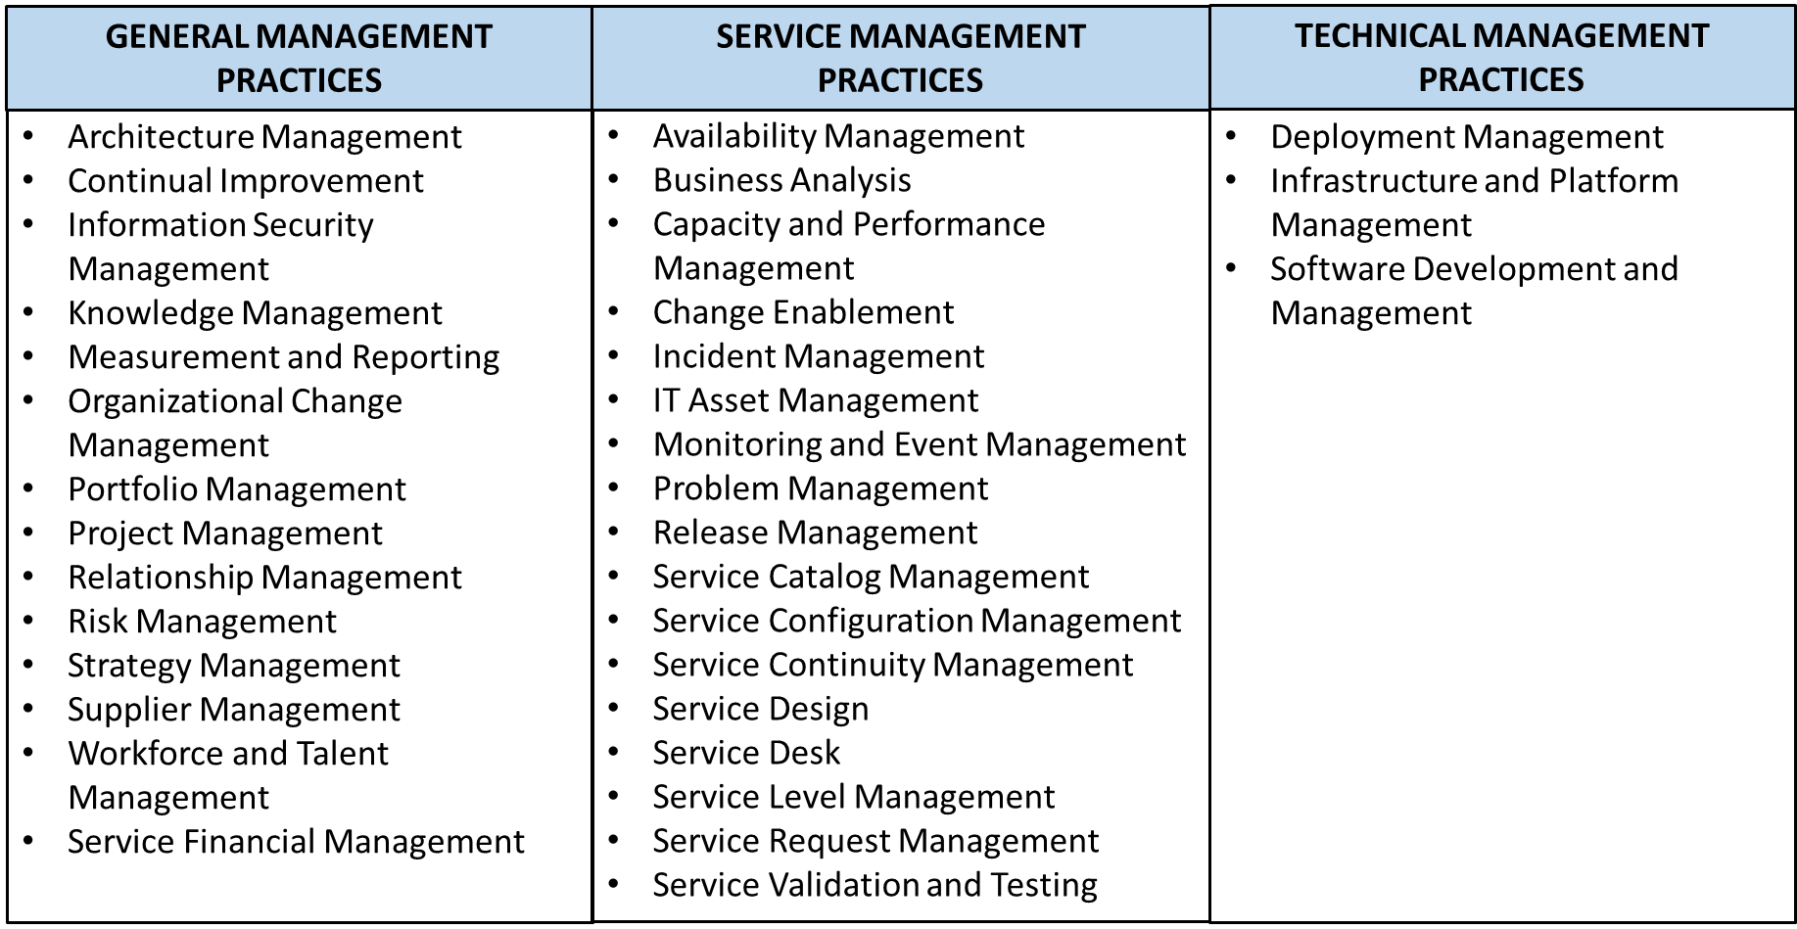
 | ITIL®4 Management Practices [Top 34 Practices to Follow] (knowledgehut.com)
 | Practice Area/Practice | Purpose/Description
 | General Management Practice Area (14) | The 14 General Management Practices are considered commonly across all services and are applicable for the organization as a whole. These provide the views which are to be practiced throughout, irrespective of the type of services or products the organization provides.
 | Architecture Management | To provide an understanding and view of all the different elements of an organization as a whole and how each of those elements interfaces or interrelate, to enable the organization to achieve its objectives, continuously. It refers to the applicable principles, tools, standards which enable an organization to be managed in a structured way and also enable agility. While we mention architecture management, it refers to all the domains. That is business architecture, service architecture, information architecture, technology architecture, and environment architecture. These can be defined as an integrated architecture in less complex environment of an organization. The business architecture is defined for creating value to an organization and its customers, aligning to strategy of an organization. The service architecture is defined for each service provided by an organization and it has to be fit in and align to the business architecture. It defines service models, structure, activities, flow of resources, their interactions, templates required etc. The information architecture considers the logical & physical data assets of an organization and depicts how the information; which is a valuable asset of an organization; is managed and measured to create value. It is also important to consider the importance of accuracy, completeness, and accessibility of information while defining the Information architecture. Environmental architecture considers the external factors that impact the organization which includes organizational, political, legal, regulatory, ecological, social, technological etc., These cannot be defined, but have to be considered, while defining, developing and managing the organization, services, products etc.
 | Continual Improvement | To ensure continuous alignment of service and practice of an organization, by identifying and improving them on a continual basis. This requires Purpose consideration of changing business needs, consumer behavior, changing market scenarios etc. The improvement opportunity has to be looked at by considering all the components of services, products, processes and service as a whole. The improvement of services is a continual affair, this cannot be ignored. It is essential to keep the demand for the services high and there should be an established continual improvement practice across the organization. It should be an induced ability in the organization, so that every service action (activities, processes, products, people) is always subject to improvement. As part of continual improvement practices, an organization should ensure that there is a dedicated effort on continual basis to improve services through continuous measurement. Teams have to dedicate a certain amount of time for focusing on improvements. It is to be understood, “At any given point in time, there are opportunities for improvement” and keep identifying the improvement opportunities. Description:B5 • Continual improvement is not a single team or individual’s job; it should be the way of providing services and responsibility of everyone. • Continual improvement practice shall consider various techniques to identify, assess, analyze, recommend and implement the improvements at various levels. • The techniques like SWOT (analyzing strength, weakness, Opportunities & Threats), proactive problem management, PDCA, Improvement Kata, Lean methods, concepts of DevOps etc. Are the few techniques, which can be used for continual improvement. • If the thought of continual improvement is induced into the staff members of the organization as a whole, by establishing that as the culture, the contribution towards continual improvement and alignment will become the way of doing the services and conductin
 | Information Security Management | To ensure the protection of the information of an organization throughout the information lifecycle. In a way ensuring the confidentiality, integrity, Purpose and availability of information, so that the organization’s information is safeguarded from unauthorized access and misuse. The information security management has become the de-facto requirement of modern organizations (irrespective of their business), with the advancement of technology & adoption of IT systems more and more. These technology platforms and IT systems are used for processing data & information, in every transaction of the business. Whether it’s a bank, an organization of civil construction business, entertainment houses like movie theatre, television, or a retail store, Irrespective of the type of business the organization is into, the adaption & adoption of technology platforms and IT systems for conducting their business transaction has become common. With this modern outlook, organizations come across new challenges and to protect the interest of the business Information security framework, policies, procedures have been established. These information security management practices consider & maintain the balance between Prevention, Detection and Correction. Information security management practices should consider all the aspects of an organization and its dynamics so that it remains aligned with organization strategy & protects the interest of the organization. These should apply across the organization and should not be just limited to one or few aspects. In order to support information security enablement in the organization, there should be consideration for establishment of information security framework, policies, processes, risk management, identity and access management, event management, structured (controlled) review & reporting.
 | Knowledge Management | To ensure the maintenance and improvement of information and knowledge effectively and efficiently for the convenient usage of the information and knowledge throughout the organization. Knowledge and information being the most important and valuable assets of an organization, it is very important to identify, capture, process, maintain and improve these aspects. An organization should consider adapting and adopting a structured approach and ensure defining, building, using (& reusing) and sharing. This involves data processed into information, leading to the creation of knowledge. These are required for all the processes, practices, and services of various forms. Further with the advancement of technology & management practices, and organizations embracing more and more solutions that are technology-driven & use complex systems, the knowledge of management practices have become a critical need. It is important to understand that knowledge is not just information. Knowledge is the application of the information in a specific context. This requires the understanding of the scenario of information processing and application of knowledge. For example: For a service desk, a number of incidents logged during the specific period is information (like during the week 1 the number of incidents logged are 100). Using this information, setting the context to reduce the number of incidents and applying the actions for identifying the possibility of reducing the number of incidents and further applying to reduce the incidents is possible only through knowledge. Note: Information provides the message, whereas knowledge is Know-how.
 | Measurement and Reporting | To measure and report the performance of the business or services, which would help in making decisions and improving the services & business performance. Further, this will also reduce the level of uncertainty. According to Peter Drucker, an American Management consultant, “If you cannot measure it, you cannot improve it”. This saying, emphasizes on the importance of measurement. Measurement is an essential need for all types of organizations irrespective of their size and complexities. The measurement should be represented or conveyed in a specific way which is readable (to make right interpretation) by the intended personnel. The metrics considered to measure differs at various levels. This is because, the context at each level varies and accordingly the metrics has to be considered to make the right representation and interpretation. For example: While measuring a service as a whole, one would look at the availability of the services as one of the metrics. Whereas, a number of incidents occurred, the time taken to resolve & restore the services will become metrics to measure the operational performance. These metrics measured at operational level have to complement the next levels. In the given example, the reduction in the number of incidents or reduction in time to restore services or both should be complemented by improving the availability of the services. Accordingly, the critical success factors and key performance indicator has to be identified and defined at all levels. Each of the metrics defined should have the right description to interpret. If the target metrics for measuring availability is 95%, then its impact on business has to be described, explained and justified. Only then the metrics of 95% makes sense.
 | Organizational Change Management | To ensure managing the human aspects of an organization while introducing, managing, modifying a service or a product. This needs an effective change management (for required transformation) of organization to achieve the lasting benefits through smooth and successful implementation of changes. While the business environment is subjected to change and evolution, it is very important to understand these dynamics and ensure the organization will also evolve & align with the change. In addition to that, improving the services, service performance, performance of service assets, etc., are also important. This further emphasizes on transforming people in the organization in terms of behavior and culture for success. People are at the core of organizational change management. So, Organizational change management should ensure establishing, clear and relevant objectives, strong and committed leadership, willing and prepared participation and sustained improvement. Moreover, organizational transformation is not an overnight accomplishment, it is a journey. For an effective organizational change management, there are many models that the organization adopts. One such model which is adopted and organizations are successful in accomplishing the intended objective of transforming an organization is 8 steps model of John P Kotter. While initiating the organizational transformation, identification of the audience who are affected by this transformation, the individuals who can become the champions for the successful transformation, creation of vision and communication of the same effectively, creating quick wins and celebrating quick wins, and continuing to produce more wins has to be ensured by an organization.
 | Portfolio Management | To ensure that the organization has the right mix of programs, projects, products, and services to execute the organization’s strategy within its funding and resource constraints. Portfolio management focuses on defining, analyzing, approving and services introduced, monitored, managed and retired by an organization. These decisions are taken after, a thorough analysis of services or products, which are being considered for introduction, modification, improvement etc., if they make sense for the organization strategically, in investment perspective and value. Else the service or products will be retired. The portfolio management can be defined as the coordinated collection of strategic decisions that together enable the most effective balance of organizational change and business as usual. Portfolio management achieves this through: • Developing and applying a systematic framework • Clearly defining products and services and linking them to the achievement of agreed outcomes. • Evaluating and prioritizing incoming product, service, or project proposals and other change initiatives. • Implementing a strategic investment appraisal and decision-making process • Analyzing and tracking investments based on the value of products, services, programs, and projects to the organization and its customers. • Monitoring the performance of the overall portfolio and proposing adjustments in response to any changes in organizational priorities. • Reviewing the portfolios in terms of progress, outcomes, costs, risk, benefits, and strategic contribution. The different portfolio involved are producing/service portfolio, project portfolio, and customer portfolio
 | Project Management | To ensure success of all the projects in the organization through adaption and adoption of formal project management approach and also ensure keeping the motivation of the people high. Projects are formally defined as a temporary organization formed to produce results & accomplish the outcomes which are unique and create value. This requires the involvement of initiating, planning, delegating, executing, monitoring and controlling all the aspects of the project. The success of a project is determined by the accomplishment of the ultimate objective of the project which is defined while triggering the project. Further a project has to ensure; • Maintaining the current operations of the business effectively and efficiently • Transforming/Changing the business operations to ensure sustained growth and ability to compete in the market place • Improving the products and services, continually • Basically, the project approaches are predictive (or waterfall) and adaptive (or agile). The organization can adapt & adopt the specific approach as per the need of the organization or project and its dynamics. What so ever the approach is, it is required to ensure the consideration for project constraints carefully. That is scope, schedule, cost, quality, resources, and risk. Stakeholder engagement and communication also plays a very important role during the project management, this requires continual identification, analyzing and defining the stakeholder engagement strategy and communication management approaches.
 | Relationship Management | To ensure engaging and establishing the relationship with all the stakeholders at all levels, right from strategic to tactical levels. This includes the customer, supplier, partner, and functions within the organization. A stakeholder is any entity or individual existing internally and externally, who is impacted or impact and influenced or influence at all levels, because of the action organization takes while doing business, services, or projects. The relationship with the stakeholders has to be established & maintained, for successful management. This includes identifying, analyzing, monitoring and improving relationships throughout. Relationship management is required in all types of business organizations, for achieving success. The relationship management practice has to ensure that all the stakeholder needs, drivers & triggers are well understood. The satisfaction Description and involvement of stakeholders are very crucial and there should be a constructive relationship established between them. This should lead to achieving the desired outcomes of the business effectively and efficiently. An organization should always focus on creating high stakeholder value. That is, • by facilitating value creation for service consumers, • prioritizing the products and services as per the needs of the stakeholders, • mediating the conflicting stakeholder requirements, • effective handling of any stakeholder complaints and escalations.
 | Risk Management | To ensure the efficient and effective handling of risks of an organization throughout the service value chain and the entire lifecycle of the services/products and business. The term, “risk” refers to the uncertainty of outcomes which are both positive and negative. The positive risks are called opportunities and negative risks are called as threats. The interesting part is that generally the negative risks are mostly considered by organizations ignoring the existence of positive risks. Missing or ignoring to consider the positive risks as risks may result in bigger risks as organizations may fail to take advantage of the positive effects of opportunities. The organization should give high importance for managing risks, so that it can ensure the ongoing sustainability and continuously create value to customers. It should be an integral part of every action (or activities) that the organization performs at all levels. Risk is a part of business, it should be consistent across all levels of an organization, and a culture has to be built in an organization supporting risk management. For effective risk management, the organization should adapt and adopt a practice, supporting the achievement of objectives of organization. Risks are to be identified, assessed and treated throughout the service value system. Risk is central to service value system defined in ITIL®4. For every risk identified, there involves a cause that has to be found through risk assessment and appropriate risk action has to be defined. The assignment of risk owner and risk actionee, ensures the demonstration of accountability towards effective risk management.
 | Service Financial Management | To ensure that all the financial investments and resources are effectively used and support the strategy and plans of an organization. The service financial management mainly focuses on Budgeting, Accounting and Charging for the service of products which are newly conceptualized, designed, transitioned, delivered and supported throughout the service value system. All the investments made on services should be justified. Budgeting refers to the approved financial resources for the service & products & their management throughout their lifecycles. The approximation of the financial resources and analysis will be done before allocating and approving the budget. Accounting refers to the activity which focuses on monitoring, managing and controlling the financial resources like comparing the actual transaction with budgeted. It would involve accounting of systems, ledgers, journals, chart of accounts etc. Charging refers to the charges claimed from the consumer for the services and products which would involve invoicing. This can be an optional practice, as the services always are not provided to external customers only. Further financial management should be managed effectively and efficiently and financial objectives have to be accomplished. Modern technology environment has impacted the practice by broadening the perspective & applicability. A modern organization uses the latest technologies like cloud, big data, analytics, and artificial intelligence (AI), block chain technologies etc. All these technologies have made the practice more advanced. Consideration of these technologies and practices has become crucial and advantageous for organizations.
 | Strategy Management | To ensure the establishment of the strategy and directions for organizations and define goals and objectives, the course of actions to accomplish those goals. For an effective strategy management, one has to define & understand the contexts of the organization and define the strategies which are essential to achieve the objectives and goals of the organization, by creating value to the consumer of products and services. The strategy should also establish the criteria and mechanisms that would support the organization for prioritizing the resources, capabilities and do the necessary investments to produce the required outcomes. The strategy management practice would focus on achieving & managing these. The strategy management has to consider and analyze the organization and its environment, the constraints, understanding of the vision & principles established in organization which set the direction. Further, understanding the perspectives and directions and setting up the strategy, so that, it can be translated to tactical and operational plans. In modern fast-changing dynamics of the business environment, the strategies defined traditionally may not make any significant contributions. It requires thorough research, careful deliberation which would help in bringing the fluency and alignment to the required dynamics. This is so that the organization can respond to the changed scenario quickly at all times and remain aligned to the objectives always. The value, should be the prime focus and the strategy should enable this on continual basis. The consideration for continual innovation and improvement to the service value, should be both for service provider and consumer of the services through innovative products and services. A high performing service strategy is the need of modern business environments to ensure uniqueness and to continuously outperform the alternatives.
 | Supplier Management | To ensure the management of supplier and their performance to support the seamless provisioning of quality products and services Supplier management practice being one of the key service management practices focuses on supplier lifecycle management which includes identification, evaluation, establishing a contract or agreement, reviewing the performance of the supplier, the products & services provided by supplier, periodically and finally renewing or terminating the contract of the supplier. This involves Supplier Planning, evaluation and of supplier contracts, supplier categorization, contract management, performance management, contract renewal or termination. This helps in establishing the single point of control for supplier management by defining and maintaining the strategy, policy for supplier management. Various different type of supplier’s relationship exist based on the supplier strategy. That is, • Insourcing – refers to the supply of the services which are developed and provisioned internally within the organization. • Outsourcing – refers to the supply of the services which are developed and provisioned external to the organization • Single source of partnership – refers to the procurement of services or products from the single supplier or partner • Multi-sourcing – refers to the procurement of services or products from more than one supplier or partner Further, Service integration has to be performed by orchestrating all the suppliers involved in developing and delivering the products and services. It has to focus on provisioning the services end to end and ensure the control on all the interface and integration points which facilitate the required collaboration among all the services and supplier of the services
 | Workforce and Talent Management | To ensure that the organization has the right set of people with appropriate skills, capabilities and knowledge that support the business objectives. The workforce and talent management practices involve the activities which focuses on engagement of people and employees of the organization, enabling them to perform with continued motivation and knowledge, and ensuring the availability of the right set of capabilities in the organization. This includes thorough planning, recruiting, onboarding, training, performance monitoring and management etc. The skills and capability of people resources are key to the success of the organization, which helps in establishing the required velocity (The speed, effectiveness, and efficiency with which an organization operates. Organizational velocity influences time to market, quality, safety, costs, and risks). The workforce and talent management include the activities mentioned in the below picture. That is, • Workforce management – refers to the translating strategies of organization to desired capabilities of organization. • Recruitment – refers to identification and selection of right set of people resources with right set of skills and capabilities. • Performance measurement – refers to continual monitoring and measurement of the performance, based on the skills, competencies required to assigned role. • Personal development – refers to continual development of individual skills and capabilities suitable for assigned job role. • Learning and development – refers to the methods and approaches adopted by an organization to enable employees of organization with specific area of expertise and specialization. • Mentoring & succession planning – refers to the plan and activities applied for formal mentoring, engaging and enhancing the ability of leadership capabilities.
 | Service Management Practice Area (17) | The 17 Service Management Practices are considered for all the services and applicable for the service in specific. These provide the views which are to be practiced throughout, while managing the services & products. For example: Monitoring and event Management – The practices focus on monitoring the events of a specific service, perform the event correlation and trigger appropriate action as configured in the services.
 | Availability Management | To ensure service availability meets the needs of the business i.e. customer and users. Availability of the services, as needed by business, is the outcome of the availability of the service assets (components), serviceability of the supplier, reliability of the service, effectiveness and efficiency of the service practices and design. Availability means, “available when needed”. For example, the availability requirement of a bank’s (over the counter) services is from 9:00am to 3:00pm. During this service window, the availability of the services should be 100%. It is only possible, if the application, computer systems, bank premise, people, electric power etc., are available without any disruption or degradation. So, the organization should understand the availability requirement of the services (firstly), and accordingly services have to be defined, designed & deployed. It involves; • Discussing, negotiating, establishing and agreeing the availability of targets, which are achievable • Defining and designing IT infrastructure and software applications which can deliver the required availability levels • Identification and collection of data which are required for measuring availability i.e., number of incidents occurred, time taken to restore services etc. • Enabling the continuous monitoring which helps in continual assessment, analysis of availability of services and service Components • Continual measurement & reporting • Identifying & improving the service availability continually
 | Business Analysis | To ensure analyzing the business & business elements and ensure the recommendation of solutions which will address and solve the business. Further the value is enabled in alignment with the objectives of the business and organization. Business analysis, should consider the overall perspective (holistically), which includes people, process, policies, technology, organization, information etc. Business analysis practices have to ensure considering the overall contribution to the business rather than one area or at one level. For example: restricting the business analysis to the product development will not result in the solution which is not complete in all aspects of the business alignment and value creation. This involves; • Analyzing services, service architecture, systems, process which contributes to business considering the various different contexts of the business. • Considering all the SVS components for analysis that needs treatment to improve, identifying opportunity to innovate etc. • Continually monitor, measure, report, and document, to ensure the performances are in line with the business requirement • Continually recommending the solution through thorough analysis i.e. by validating the achievement with the respective stakeholder.
 | Capacity and Performance Management | To ensure that sufficient capacity is available to the services and that service performs at the level expected and achieves the objectives demanded by the services in a cost-effective way. Service Capacity and Performance management practices consider the performance related to a number of service actions performed within the given timeline-- the time required or taken to complete the service actions at the load (various levels of demand). For example: how long it took for a webpage to appear after entering the url, which depends on the capacity of server hosting webpage, application, internet bandwidth, storage, systems used to connect and browse the webpage etc. Service capacity is the result of the various different capacities at different levels. That is, capacity of the various components configured to create a service (as indicated in the example above). Each of these components Description perform at a certain level based on the utilization and availability of the capacity in these service components. The capacity and performance management practice include the activities that are required for; • Checking the performance of the service and analyzing the capacity monitoring and managing the service performance by ensuring sufficient capacity required for service performance • Researching, analyzing and forecasting the requirement of capacity on continual basis by modelling performance • Planning and implementing the capacity • Identifying and improving the capacity
 | Change Enablement | To ensure maximizing the success rate of the changes, being executed in a service environment through the proper assessment, analysis and authorization of all the changes. Change refers to the add, move, modify, improve, remove etc., the features, functionalities of a services & service components. This includes hardware, software, process, products, documents etc. Which are used to form a service. All the changes implemented have to have the formal authorization before they are implemented. This is essential to ensure the integrity of the systems, so that all the changes are controlled and done through involvement of right stakeholders. Change control should aim at success of the changes being executed. This requires raising change requests, reviewing, analyzing and approving these changes before they are implemented. All the changes implemented should result in accomplishing the intended objectives of the change. It should be justifiable, beneficial and successful. No changes should result in failures of the services or service components which are attributable to change. Changes are of three types. They are Standard Change, Normal change and Emergency Change. Standard Changes are the changes that are pre-approved, pre-authorized, low impact and low risk. For example: resetting a password of a user system. The standard changes are executed through request management practice. Normal Changes are the changes that have significant impact to business and needs analysis and authorization from the authorized. These changes are executed after raising the formal change request, their analysis and authorization
 | Incident Management | To ensure restoration of services to normal working conditions by resolving and restoring the services during the incidents, and minimizing the impact to business, which occurs due to the incidents, as per the business need. The term, “Incident”, refers to the interruption to the IT services or degradation of the service performance. The interruption or degradation of the service & service performance would result in negative impact to business. For example: Users are unable to access their email. Incident management practices should aim at restoring the services quickly, and ensure services are available to business (users), as defined. The occurrence of the incidents may result in impact to a user or many. These may result in influencing the value perception of the customer. It is essential to ensure the availability of the services to customer as defined and agreed. Incident management practices should ensure, all the incidents are logged, categorized, prioritized and resolved. The time taken to respond during (& resolving) an incident, should be analyzed based on the scenario. Usually it is based on Impact and urgency. These needs to be defined and agreed for every service, according to, what make sense to business. Incident management practice should also provide the appropriate management and allocation of different resources, for different types of incidents. Impact of incidents may vary from low to very high. Requirement of resources to resolve the incidents depends on the complexity involved in resolving them. Accordingly, resources are utilized during the incident resolution. Major incidents which will have major impact to the business would require separate process or procedure. Similarly, to manage the incidents related to information security, information related to incidents has to be stored, recorded, and reviewed regularly to ensure the incident reduction, reducing resolution time etc. Approaches like improving first level call resolution a
 | IT Asset Management | To plan and manage the entire life-cycle of all the IT Assets, and ensuring maximizing the value, control costs, manage risks, enable decisions related to procurement, utilization & retirement of assets, and meet contractual & regulatory requirements. IT Asset refers to any valuable services component which contributes to the delivery of the service or an IT Product. This includes hardware, software, services provided by suppliers etc. IT assets involves cost and value that comprehend the cost and value of service or product. It will be an underpinning factor based on which service provider can make decisions. IT Asset Management focuses on capturing the details of all the IT Assets in a register and same is updated regularly. This involves entire life-cycle of the asset right from acquiring, utilizing (implementing and operation), and disposing the asset. This contributes to the visibility of assets and their value. The IT Asset Management is a sub-practice of Asset management, which is aimed at IT related assets, whereas Asset management is applicable for all types of assets in the organization. Further, IT Asset Management involves sub-practices within, like software asset management. The integrity of an IT Asset has to be maintained. All the hardware assets should be tagged with unique identification number, protecting software asset for unlawful copying, grouping assets using the category etc. This will help in better management of IT assets through-out its lifecycle. It should also provide the details of the IT Assets like current and historical data, reports, and support to other practices about IT assets, which is a key element to successful service management as well as being useful to other practices.
 | Monitoring and Event Management | To ensure the services and service components are observed systematically, detect & report the change of state which has significance to service, service performance and contribution to business. The monitoring and event management practice manages the events throughout the life-cycle to ensure prevention or elimination of negative impact to the business. “Event”, refers to the change of state that will have significant impact to the management of an IT service or service component. Events are of three types. That is informational, warning and exceptional. Information events are those which will not have any serious impact to the services, but service personnel should be communicated upon occurrences of such events. For example: back-up completed etc. Warning events are those, which if not treated now, may lead to failure of an IT Service. For example: if the utilization of a storage reached 80%, it has to be checked, so that appropriate action can be initiated to reduce the impact because of increased utilization beyond 80%. Exceptional events refer to the scenarios of failure of an IT service or service component, resulting in impact to business, which needs to be resolved and restored. Monitoring and event management practices detects these changes of state, makes sense out of them and triggers the control actions required to address the scenarios. Control actions depends on the type of events and the actions configured for these event types.
 | Problem Management | To identify the potential & actual causes of incidents and reduce the probability of the impacts of incidents by providing the solutions and workarounds, including the creation of known errors. Problem refers to an underlying cause or potential cause of one or more incidents. Problem management practice focuses on identifying these causes, so that, those can be analyzed to resolve the incidents, by providing the workaround or permanent fix. The practice involves three distinct activities. That is problem identification, problem control and error control. Problem identification involves identifying & logging problems, performing the trend analysis of the incidents, detection of duplicate or recurring incidents, identifying the risks involved in major incident scenarios, analyzing the information provided by suppliers, developers, partners, etc. Problem control involves, analyzing the problem, identification of workarounds or permanent fix to the identified problem. It may or may not provide solutions to known errors that have been identified.
 | Release Management | To ensure that the new or changed services and their features are available to use. The term “Release”, refers to the specific version of a service or a configuration item or collection of configuration items which are made available to use. A release would comprise of various different infrastructure and application components which should work together to deliver a services or service functionality. This may include processes, tools, documents, training including the those developed internally and supplied by the supplier or partner. The release management practices work closely with deployment management practice. This depends on the approaches required in the given environment for releasing and deploying a services or service component to service environment. Release management typically involves activities like, release planning, release packaging, release scheduling etc., so that the objectives, features, functionalities of the release are well understood by the users. The release approach may include big bang or phased, manual or automated, push or pull depending on the size, complexity, speed etc., needed in release and deployment. In scenario of DevOps, CI/CD tool chain is considered.
 | Service Catalogue Management | To provide the single source of information for all the services and service offerings, consistently and ensure that it is available to the authorized. The service catalogue captures the details of services, which are operational and is the single source of information for all the services and services offerings. Service catalogue management practices should ensure the updating, modifying and maintaining the description of the services and service offerings regularly. So that, the information captured in the service catalogue about the services are latest, updated and up to date. The services catalogue is created to fulfill the specific needs of the specific kind of service consumers. For example: while visiting the website of a mobile service provider, one can find the various plans and descriptions of mobile services which are applicable to retail customers. Whereas same is not referred if there is an engagement with a corporate organization. Here the discussion and details differ compared to retain list. This means, that the service catalogue should provide different views and different levels of detail to different stakeholders. Examples of views include: • The user views which provide the information of service offerings that can be requested by user, and the details of provisioning. • The customer views which would provide the details of service level, financial, and the detail of service performance, which would help customer to choose the specific service offering • The technical or IT to IT customer views which provides the technical, security, and process information for use in service delivery.
 | Service Configuration Management | To ensure the availability of the information related to service configuration and the configuration items (CI) which are used to form service, when needed, including the relationship between CIs, i.e. the way they are configured. Service configuration management identifies, captures and establishes the configuration database which stores information about all the configuration items and their relationships. Configuration item, refers to all the software, hardware, people, documents, building etc. Which are used to form a service. It is essential to ensure that the integrity of all the CI’s and their configurations are safeguarded, and at the same time the details captured in configuration management database are accurate, up to date, relevant and updated. It should provide the details, which is as per the actual implementation, always. The Service configuration management should establish the snapshot of configuration and relationship with configuration items and help get the visibility into, how each of the service components (& CIs) are connected and contribute to the service and service performance. Configuration Management database has to be updated regularly i.e. while implementing a change for resolving incidents, updating or modifying the services and service attributes etc.
 | Service Continuity Management | To ensure the availability of minimum services at a sufficient level for business to sustain in the event of disasters. The service continuity management practices aim at providing the framework, which helps in building the resilience required, with the capability of producing the responses, that safeguards the reputation of organization & its brand, the interests of stakeholders, and support activities which create values. The service continuity management practice should support the overall business continuity and consider the risk associated with the business. This practice is triggered in the scenarios where the disruption has occurred at the level where its severity is beyond the ability of the organization to fix with normal response procedures. Service continuity management should focus on those events that would have the significant impact to the business i.e. business cannot continue its operation, during those scenarios that include flood, hurricane, earthquake, etc. During these scenarios, business has to ensure availability of services which are at least required to reduce the impact of those events, with (minimum) or without impact to the business and its sustenance. To understand this, the organization has to conduct Business impact analysis (BIA) and Risk analysis, and make themselves ready by establishing disaster recovery plans. It should define the required recovery time objective (RTO) and recovery point objective (RPO). Recovery Time Objective (RTO), refers to the time period (maximum) that can elapse after occurrences of the disaster event before it impacts the business seriously due to lack of business functionalities. Recovery point objective (RPO) refers to the point to which information utilized by an activity has to be restored for resumption of the activity.
 | Service Design | To ensure designing the services and products that has utility (fit for purpose) and warranty (fit for use), which will facilitate the customer to achieve the outcome required. Service design practice focuses on designing the products & services considering the people, practices, products, suppliers, partners, information & communication, processes required to fulfill the requirement of the customer, so that customer can get the value required. Designing solution architecture, service architecture, technology architecture, management information systems, tools, processes, measurement methods, metrics (CSF & KPI required to measure the services) etc., are essential. The services designed should address the need of both customer and service provider, in a cost-effective way. Service should be designed to have the resilience, security, availability, capacity, continuity required to fulfill the need of the business. Further, it is essential to holistically visualize the service through end to end value streams (i.e. Demand to value), so that all the dynamics of the services & service environment are correctly understood and considered while designing the service. It is very important to understand and focus on the experience of customer & users. So, service design should support the services and products that support business and service orientation, is cost-effective, user friendly, adaptable & adoptable, secure enough, manages risks, is scalable, and flexible so that changes can be done quickly etc.
 | Service Desk | To ensure there is a single point of contact for users of the services to contact during service interruption, service queries etc. Service desk practice provides the required channel for users to contact for reporting issues, requests, queries. Further service desk will acknowledge & log, classify, prioritize and action to resolve & fulfill (incidents & requests respectively), as applicable. With the advancement of technology and every business being a technology enabled organization, it has become important to consider the impact that is made to the business and organization, and service desk should focus on providing the support to business and people to enable them to be successful. The focus should be beyond the action limited to the resolution of technical issues alone. It is essential to establish a culture of collaboration, so that service desk staff and the other executives with different capabilities can work together to add value to business and provide good user experiences. Service desk uses telephone, emails, chatbots, ticketing tools etc., which support them while providing the services. Service desk should have a clear understanding of the wider organization, the business process and user base who use the services and need support from service desk. Further to improve the service desk practice performance, service desk has to consider monitoring and measuring its performance capturing and producing the records, achievements, identifying the opportunities for improvements. The service desk types are many, and some of those are local service desk, centralized service desk, virtual service desk, follow the sun service desk, and specialized service desk.
 | Service Level Management | To define, set and agree clear targets for services, so that services performance can be monitored and managed throughout the life-cycle of the service, against these targets. The service level management practice defines, documents and manages the service levels of all the services and products. Service level management should provide the end to end visibility of all the organizational services. Service level management has to establish and provide the service views with service level target ensure meeting defined service levels by collecting, analyzing, storing and reporting all the defined target metrics of the services regularly (periodically) perform the service reviews and ensure the services meet the organization’s needs continuously identify, capture, review & report the issues related to services, its performance against the defined service targets. The success of service level management will be based on the effectiveness of the interfaces established with other practices like relationship management, business analysis, supplier management etc. Further, service level management should focus and put efforts to engage and understand the requirements and concerns correctly. This would provide better insight towards the actual requirements & concerns of the customers and stakeholders. Service level agreements have to be established by understanding the nature of the business, business dynamics, technology environment, what makes the business successful, insights obtained while engaging with the customer and their feedback through survey etc. This should help in establishing the measurement metrics i.e. business metrics, service metrics, and process metrics etc., which can be measured in the perspective of business performance, service performance and process performance (operational performance) respectively. Each of these metrics should complement and align towards a common objective.
 | Service Request Management | To support the agreed quality of the service by handling the pre-defined user requests, which are initiated by users in a professional and friendly manner. A service request can be defined as “A request from a user or a user’s authorized representative that initiates a service action which has been agreed as a normal part of service delivery”. For example: requesting for an information, or an asset like laptop, printer cartridge etc. Standard changes are also fulfilled by service request management. Generally, all the requests handled by service request management are pre-authorized, which are essential needs of regular operation of the business. This need of approval for all the request logged is not required repeatedly as they are standard and more repetitive in nature, thus pre-approved. To fulfill a service request (simple or complex), the established steps need to be proven and agreed upon, so that the fulfillment of the requests is smoother and further they can be standardized and automated as needed by the organization. Every type of service request should have the timelines established and agreed with customers, so that it can be fulfilled within the given time lines. For example: due to information security reason, if organization has the policy to block all the USB ports of employee’s laptops by default, and in the scenario of a roaming user, who needs the USB port to be opened while travelling, the employee should know the way the request has to be placed and the duration it takes to fulfill the request. This helps the employee to follow and avail the services accordingly. Further, request fulfilment practices should have the consideration emergency cases as well.
 | Service Validation and Testing | To ensure the new or changed services and products are validated, so that they meet the defined & agreed requirements. Service validation focuses on establishing the acceptance criteria defined in release management that is required for successful deployment (i.e. the conditions which has to be met for readiness for the production). These are verified through testing at multiple levels. The acceptance criteria will be focused on utility & warranty which are defined through understanding customer, regulatory, business, risk management, and security requirements. The consideration of the environment, platform, individual or set of services has to be made while defining the testing strategy & further it has to consider overall approach. Testing has to be done for all the systems at all levels & it includes both developed in-house and supplied by external suppliers. Testing consideration while testing the utility (functional test) of the services can be unit test, system test, integration test, regression test. Whereas the consideration while testing warranty (non-functional test) of the services can be performance & capacity test, security test, compliance test, operational test, warranty requirement test, user acceptance test.
 | Technical Management Practice Area (3) | The 3 Technical Management Practices are considered for all the services and applicable for the service in specific. These provide the views which are to be practiced throughout, while managing the services & products.
 | Deployment Management | To ensure moving new or changed processes, software, hardware, documentation and any service components to product (live) environment. To ensure moving new or changed processes, software, hardware, documentation and any service components to product (live) environment. The practices deployment management, release management and change control have a close interface while introducing a change to an environment. The deployment management practice deploys the components in the schedule proposed in a change request and approved by a change authority. Deployment can be done in many approaches. It may be big bang vs phased, push vs pull, and manual vs automated deployment approaches. • Big bang approach refers to the deployment of all the components together. • Phased approach refers to the deployment of components one after the other in different schedules (phases) • Push approach refers to the deployment of components to the target systems, by pushing it from the central system • Pull approach refers to the deployment of components to the target systems, by target systems pulling it from the central system • Manual approach refers to the deployment approach which involves manual efforts while deploying • Automated deployment refers to the deployment done in an automated way upon reaching certain conditions like time (schedule) etc. Besides, modern scenarios of the organization are pushing organizations for becoming more responsive, due to which approaches like continuous delivery & continuous deployment are becoming popular. Communication around deployments is a part of release management. Individual deployments are not generally of interest to users and customers until they are released.
 | Infrastructure and Platform Management | To ensure overseeing the infrastructure & platforms of an organization, so that it enables the monitoring and managing the technology solutions used by the organization. The IT Infrastructure which involves server, network, storage, middleware, operating systems, that are required for delivering the IT services and the configuration items used by customer to access the services, has to be monitored and managed through out to ensure their performance at higher level, so that service can continue to deliver value to the customers. The IT Infrastructure also involves those that are managed by external suppliers. Modern IT environment comprises of many suppliers supplied services and components like cloud services ex. platform as a service, software as a service, infrastructure as a service etc. Further this would also involve technologies such as artificial intelligence, machine learning, chatbots, enterprise mobility, mobile device management etc., which stress on managing those for the success of services The infrastructure and platform management practice include the provision of technology needed to support activities that create value for the organization and its stakeholders. The infrastructure and platform management interfaces with other management practices like financial management, supplier management, capacity and performance management, change control, incident management, deployment management etc.
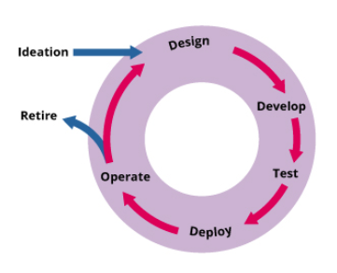
 | Software Development and Management | To ensure meeting stakeholder needs (both internal and external) by providing the required functionalities, which are reliable, maintainable, compliant and auditable. The software deployment and management focus on ensure the software application are fit for purpose and fit for use so that the customer can get the value. This involves the entire lifecycle, right from ideation till retirement as depicted in the picture “The software lifecycle”. The software lifecycle for ITIL4 The software lifecycle includes ideation, design, develop, test, deploy operate and retire, which continually facilitate value creation for services and products delivered to customers. This also involves improvement of the services and service performances continually until it is retired.

